REPORT PDF
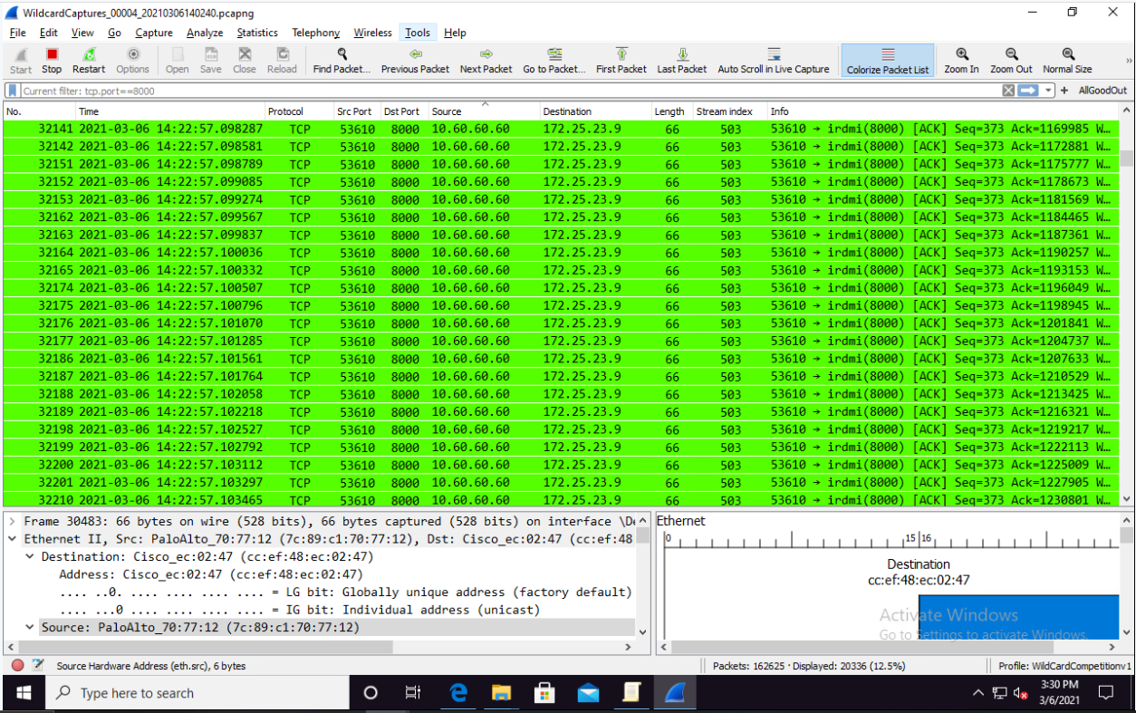


IR01

To:
From: | Team #
Subject: |  | Incident Report

Incident Details

Attack Date: |  |  | 2025-02-14 |  | Attack Time:
Discovery Date: |  |  | 2025-02-14 |  | Discovery Time:

Source IP: |  |  |  |  | Dest. IP:
Target Port:

Type of Attack: |  |  | Denial of Service |  | Severity: | Medium
Result of Attack:

Vulnerability Analysis:

Discovery:

Containment:

Remediation for Attack:

Final Assessment:

We apologize for this occurrence, but we have acted swiftly to contain and remediate it.

Thank you.
 |  |  |  | Signed: | Team #

